Cover
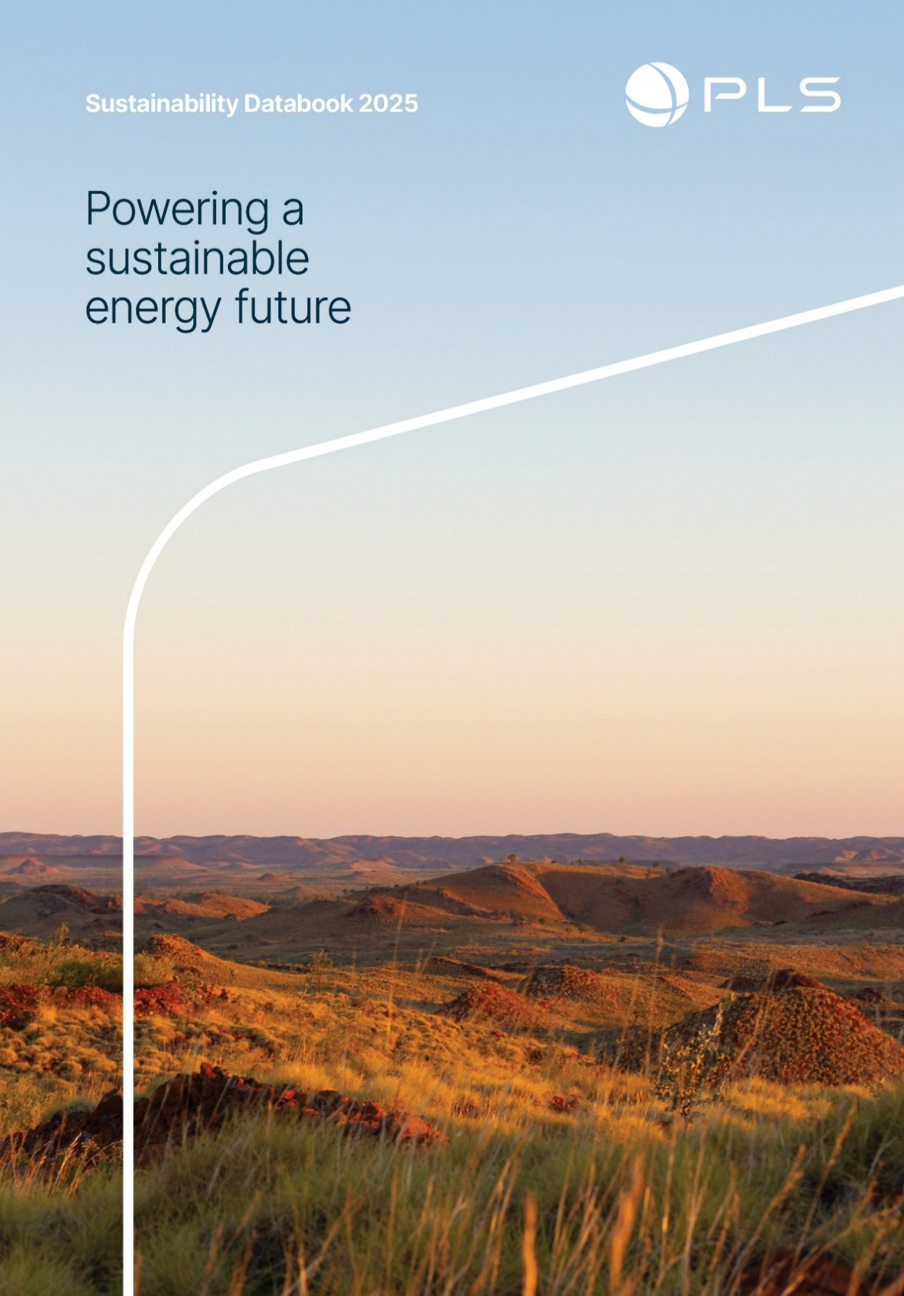

Contents
Contents
About
Valuing our people and communities
Our journey
Sustainable
operations
Responsible and
ethical actions
Reporting standards
index
Definitions

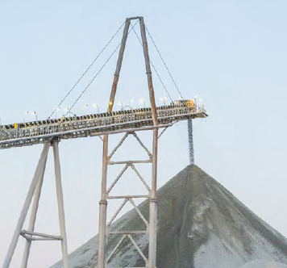
Valuing our people and communities | Sustainable operations | Responsible and ethical actions | Reporting standards index

Material topics: | Material topics: | Material topics: | Covered in this section:
Health, safety and wellbeing | Climate change, emissions reduction and resilience | Business ethics and transparency
Fatalities | Energy consumption | Significant non-compliances and fines with applicable laws and regulations | UN Global Compact Ten Principles
Recordable injuries | Greenhouse gas emissions |  | UN Sustainable Development Goals
Millions of hours worked | Global climate scenario summaries (Figure) | ASX Compliance | Sustainability Accounting Standards Board - Metals and Mining
Health and safety management system | Climate risks and opportunities, across short, medium and long term time horizons | Business ethics and transparency | Global Reporting Index
Breaches or fines |  | Labour practices | Task Force on Nature-Related Financial Disclosures (TNFD)
Training and interactions | Biodiversity, ecosystems and land use | Key policy review
Illnesses | Environmental incidents | Economic performance and growth | Other links
Injury by mechanism (recordable injuries) | Biodiversity impacts management | Economic value generated and distributed | Covered in this Databook:
Injury by mechanism (occupational illnesses) | Land disturbed in hectares | Tax contributions and payments to government | About
Employee attraction, development and inclusive culture | Environmental awareness training |  | Definitions
 | IUCN Red List species and national conservation list species by operation | Protecting human rights
Total number of employees by region
Employee new hires by region, gender and age | Water management | Employee training on human rights policies or procedures
Voluntary turnover | Water-related incidents
Gender employment by region | Water accounting | Security, human rights & rights of Indigenous Peoples
Median gender pay gap | Water stress
Employee parental leave by gender |  | Human Right Due Diligence Supplier Assessment
Employee diversity by role rate | Air quality
Number of employees by contract type | Non-greenhouse gas emissions | Responsible value chain
Employee age
Employee tenure | Waste and tailings management | Our supply chain
Cultural heritage, Traditional Owner relationships and opportunities |  | Geographical location of key supplier spend
 | Waste-related incidents
First Nations and Traditional communities peoples territories | Waste generated | Other topics
 | Waste diverted from disposal | Materiality
First Nations employment | Acid rock drainage
First Nations business spend | Tailings register
Community engagement, partnerships and programs

Community relations
Community investment
Breakdown of state and local procurement spend

Other topics:
Stakeholder engagement

About
Contents
About
Valuing our people and communities
Our journey
Sustainable
operations
Responsible and
ethical actions
Reporting standards
index
Definitions

Sustainability Databook 2025 - About
Version last updated: 22 August 2025 - PLS reserves the right to update this Sustainability Databook 2025 (Databook) from time to time without notice.
The Databook is uncontrolled once downloaded and subject to the important information and disclaimer below.
Organisation: | Pilbara Minerals Limited (PLS)
ABN: | 95112425788
Sector: | Mining & Metals - Lithium
Associated documents: | This Databook outlines our key sustainability performance data for financial year 2025, unless otherwise stated. This Databook should be read in conjunction with our full 2025 disclosure suite including Annual Report, together with our other periodic and continuous disclosure announcements lodged with the ASX. These documents are available at pls.com.
Basis of Preparation - Sustainability Reporting: | Our approach to the creation of shared value for shareholders and communities is underpinned by the United Nations Sustainable Development Goals (UN SDGs). The 2025 sustainability disclosure aligns with the Sustainability Accounting Standards Board (SASB) Metals and Mining Standard and references Global Reporting Initiative (GRI) Standards to provide relevant, comparable sustainability performance data. The disclosure suite incorporates other frameworks including Taskforce on Nature-related Financial Disclosures (TNFD) and Global Industry Standard for Tailings Management (GISTM). Building on our previous climate disclosures aligned with the Taskforce for Climate Related Financial Disclosures, PLS has prepared sustainability reporting with consideration of AASB S2 Climate-related disclosures ahead of mandatory compliance scheduled to commence from FY26.
Reporting boundary: | Unless otherwise stated, this databook covers Pilbara Minerals Limited (PLS, the Group) as included in the consolidated financial statements for the period 1 July 2024 to 30 June 2025. Primary operations: The main focus of our sustainability reporting is Pilgangoora Operations Pty Ltd, which owns and operates: - Pilgan Plant, Western Australia - Ngungaju Plant, Western Australia Recent acquisition: On 4 February 2025, PLS acquired 100% of Latin Resources Limited, including the Colina Project in Minas Gerais, Brazil (formerly Salinas Project). Colina Project data is limited to post-acquisition activities only. Where data is available and material, it has been included and disclosed in the relevant sections.
Restatements: | Changes to previously reported data, may occur as a result of improved data collection and/or reporting methods. Where restatements are made these figures are presented in italics and are footnoted with an explanation for the restatement.
Independent Limited Assurance by KPMG: | Total Recordable Incident Rate (TRIFR), scope 1 and 2 emissions (CO2 equivalent) and female employment (%) and Modern Slavery due diligence follow up has undergone limited assurance by KPMG. The independent limited assurance report is available pages 93-94 of the Annual Report 2025.
Metrics/currency | Financial performance is presented on a cash basis in Australian dollars. Payments denominated in currencies other than AU dollars are translated for this Report at the average exchange rate for the period, unless stated otherwise. Some metrics may be rounded and may not add up to the 100% or the reported total.
Feedback | Any feedback or additional information requests regarding our sustainability related disclosure, please contact us via email sustainabilty@pls.com.

Important information and disclaimer
This Databook outlines our key sustainability performance data for financial year 2025, unless otherwise stated. This Databook should be read in conjunction with our full 2025 disclosure suite including Annual Report, together with our other periodic and continuous disclosure announcements lodged with the ASX. These documents are available at pls.com. This Databook does not purport to be all inclusive or to contain all information which a recipient may require to make an informed assessment of our sustainability performance. This Databook contains forward-looking statements which include all statements other than statements of historical or present facts. Forward-looking statements include statements of intention and expectation, statements of opinion, guidance, goals, targets, forecasts, estimates, assumptions, scenarios and scenario analysis, plans and strategies and objectives of management. We make no representation, assurance or guarantee that forward-looking statements are accurate, complete or up-to-date or that outcomes expressed or implied by such statements will be achieved. Except as required by applicable law, we do not undertake to publicly update or review any forward-looking statements, whether as a result of new information or future events. We caution against reliance on any forward-looking statements in this Databook, particularly since they involve known and unknown risks, uncertainties and other variables which could cause actual results to differ materially from those expressed. Such risks include, but are not limited to, changes in financial, economic, market and business conditions, demand, commodity prices and currency exchange rates, laws and regulations, jurisdiction, estimates of cost, engineering, reserves and resources, availability, technology, the conduct of joint venture participants and contractual counterparties and the impact of climate change and related policies. Assumptions regarding climate scenarios are subject to significa

Our journey
Contents
About
Valuing our people and communities
Our journey
Sustainable
operations
Responsible and
ethical actions
Reporting standards
index
Definitions

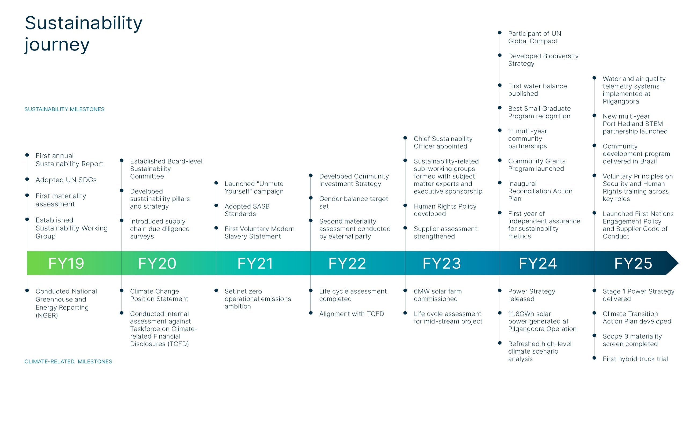

Valuing our people
Contents
Health, safety and wellbeing
Employees and inclusive culture
Valuing our people and communities
Cultural heritage and Traditional Owner relationships
Sustainable
operations
Responsible and
ethical actions
Community engagement, partnerships and programs
Reporting standards
index
Stakeholder engagement
Definitions

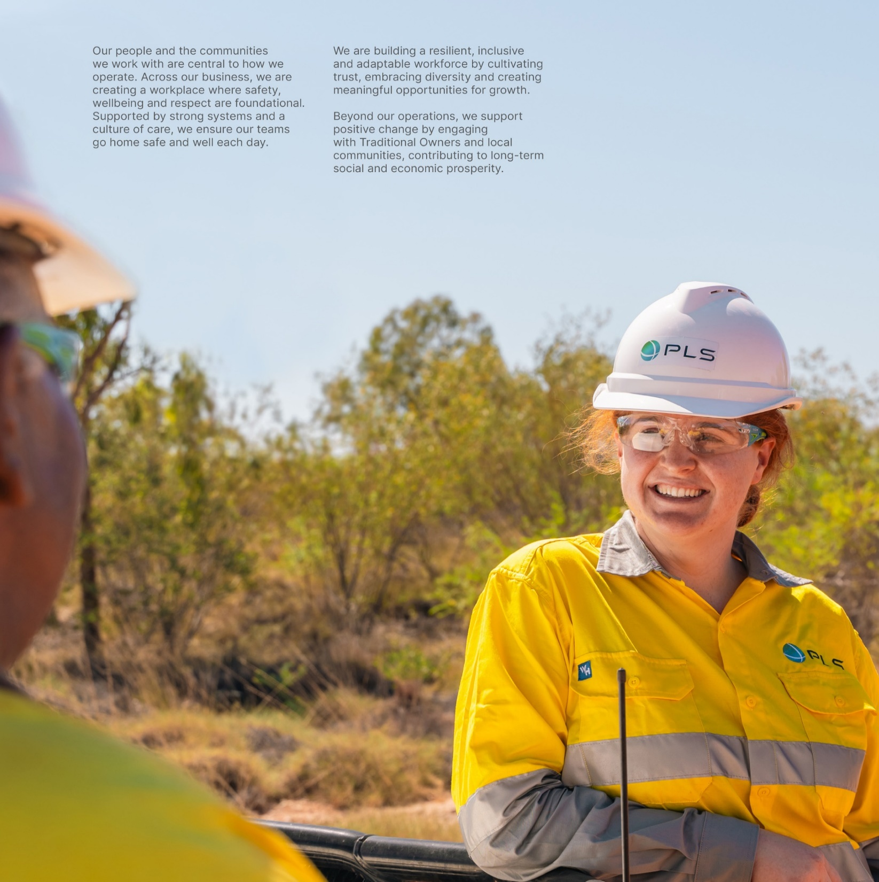
Valuing our people and communities
 | Covered in this section:
 | Material topics:
 | Health, safety and wellbeing

 | Fatalities
 | Recordable injuries
 | Millions of hours worked
 | Health and safety management system
 | Breaches or fines
 | Training and interactions
 | Illnesses
 | Injury by mechanism (recordable injuries)
 | Injury by mechanism (occupational illnesses)
 | Employee attraction, Development and Inclusive Culture

 | Total number of employees by region
 | Employee new hires by region, gender and age
 | Voluntary turnover
 | Gender employment by region
 | Median gender pay gap
 | Employee parental leave by gender
 | Employee diversity by role rate
 | Number of employees by contract type
 | Employee age
 | Employee tenure
 | Cultural heritage, Traditional Owner relationships and opportunities

 | First Nations and Traditional communities peoples territories

 | First Nations employment
 | First Nations business spend
 | Community engagement, partnerships and programs

 | Community relations
 | Community investment
 | Breakdown of state and local procurement spend
 | Other topics:

 | Stakeholder engagement

Health, safety and wellbeing
Health, safety and wellbeing
Contents
Employees and inclusive culture
Valuing our people and communities
Cultural heritage and Traditional Owner relationships
Sustainable
operations
Community engagement, partnerships and programs
Responsible and
ethical actions
Stakeholder engagement
Reporting standards
index
Definitions

Health, safety and wellbeing
Building the culture, systems and processes to ensure everyone goes home safely and well every day. Our priority is Safety First.

Fatalities (GRI 403-9, 403-10) | FY25 | FY24 | FY23
PLS Group
Fatalities from health and safety incidents or illnesses – total number1 | 0 | 0 | 0
Fatality frequency (number per 1,000,000 hours worked) | 0 | 0 | 0
1 Total number including employees and contractors.

Recordable injuries (SASB EM-MM-320a.1, GRI 403-9) | FY25 | FY24 | FY23
PLS Group
Total Recordable Injuries: number of employees1 | 3 | 5 | -
Total Recordable Injuries: number of contractors | 13 | 13 | -
Total Recordable Injuries Rate: Employees | 1.73 | 3.69 | -
Total Recordable Injuries Rate: Contractors | 3.81 | 3.72 | -
Total Recordable Injury Frequency Rate (x million hours worked) | 3.10 | 3.41 | 4.40
Total Recordable Injury Frequency Rate (x 200,000 hours worked) | 0.62 | 0.68 | 0.94
...

Employees and inclusive culture
Health, safety and wellbeing
Contents
Employees and inclusive culture
Valuing our people and communities
Cultural heritage and Traditional Owner relationships
Sustainable
operations
Community engagement, partnerships and programs
Responsible and
ethical actions
Stakeholder engagement
Reporting standards
index
Definitions

Employee attraction, development and inclusive culture
Fostering a diverse, equitable and inclusive workplace that attracts, retains and develops great people.

Total number of employees by region1 (GRI 2-7 Employees) | FY25 | FY24 | FY23
PLS Group | 950 | 917 | 768
Australia | 877 | 917 | 768
...

Traditional Owners
Health, safety and wellbeing
Contents
Employees and inclusive culture
Valuing our people and communities
Cultural heritage and Traditional Owner relationships
Sustainable
operations
Community engagement, partnerships and programs
Responsible and
ethical actions
Stakeholder engagement
Reporting standards
index
Definitions

Cultural heritage, Traditional Owner relationships and opportunities
Partnering and engaging with First Nations peoples on economic and social opportunities, supporting connection to Country and protecting cultural heritage.

First Nations and Traditional communities peoples territories1 (GRI 411-1) | FY25 | FY24 | FY23 | FY22
PLS Group
Total number of incidents of violations involving rights of Indigenous peoples | 0 | 0 | 0 | 0
...

Community engagement
Health, safety and wellbeing
Contents
Employees and inclusive culture
Valuing our people and communities
Cultural heritage and Traditional Owner relationships
Sustainable
operations
Community engagement, partnerships and programs
Responsible and
ethical actions
Stakeholder engagement
Reporting standards
index
Definitions

Community engagement, partnerships and programs
Supporting and contributing to the long-term social and economic prosperity of communities through strategic partnerships, local procurement, skills development and programs that build community resilience and shared value.

Community relations (SASB EM-MM-210b.2) | FY25 | FY24 | FY23
PLS Group
Number and duration of non-technical delays1 | 0 | 0 | 0
...

Stakeholder engagement
Health, safety and wellbeing
Employees and inclusive culture
Contents
Valuing our people and communities
Cultural heritage and Traditional Owner relationships
Community engagement, partnerships and programs
Stakeholder engagement
Reporting standards
index
Sustainable
operations
Responsible and
ethical actions
Definitions

Our stakeholders
PLS Group engages with a diverse range of stakeholders through tailored and culturally appropriate processes.

Stakeholder group1 | Why do we engage? | Key engagement processes | Top areas of intererest2
Employees and contractors | To foster a safe, inclusive and informed workplace culture, support retention and development and ensure alignment with company values and expectations. | Internal communications strategy, formal and informal meetings, induction, focus groups, company-wide town hall, events, field leadership, communications on policies and expectations, correspondence, leader calls, videos, quarterly leader breakfasts with ELT, newsletters, Pilgangoora Village application, site notices, digital screens, intranet, grievance mechanisms and SMS for crisis/emergency response. | Health, safety and wellbeing
 |  |  | Employee retention, development and inclusive culture
...
 |  |  | Economy, procurement and production
 |  |  | Strategic partners and programs
 |  |  | Research and development opportunities
 |  |  | Stakeholder engagement
General public | To maintain transparency, build trust and communicate company values and performance. | Website, ASX announcements, media, advertising and public notices, sponsorship and event presentations. | Economy, procurement and production
 |  |  | Business ethics and transparency
1 List is not in order of importance. 2 All top areas of interest identified across engagement activities closely align with PLS' material topics.

Stakeholder engagement principles
PLS has established six stakeholder engagement principles that shape our approach, to ensure stakeholder engagement is both appropriate and effective.
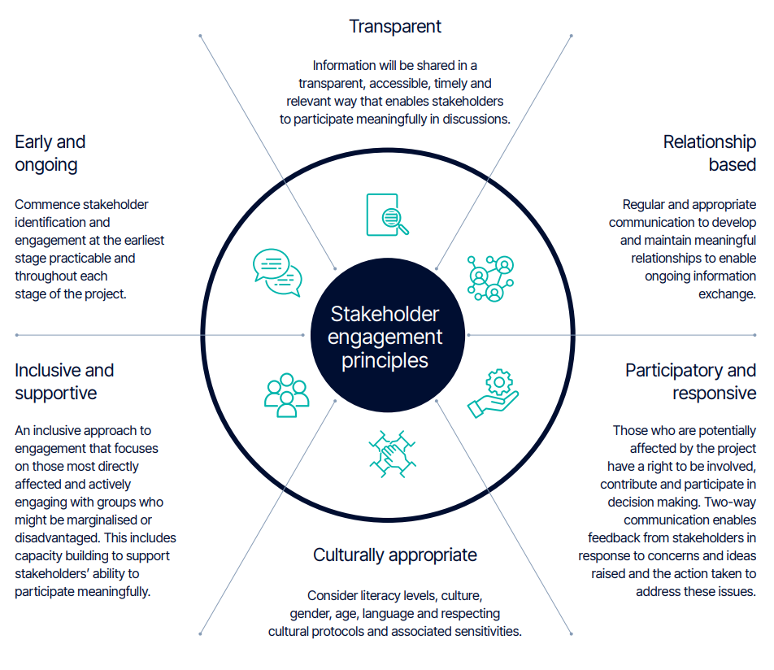

Sustainable operations
Climate change, emissions reduction and resilience
Contents
Biodiversity, ecosystems and land use
Valuing our people and communities
Water management
Sustainable
operations
Air quality
Responsible and
ethical actions
Waste and tailings management
Reporting standards
index
Tailings register
Definitions

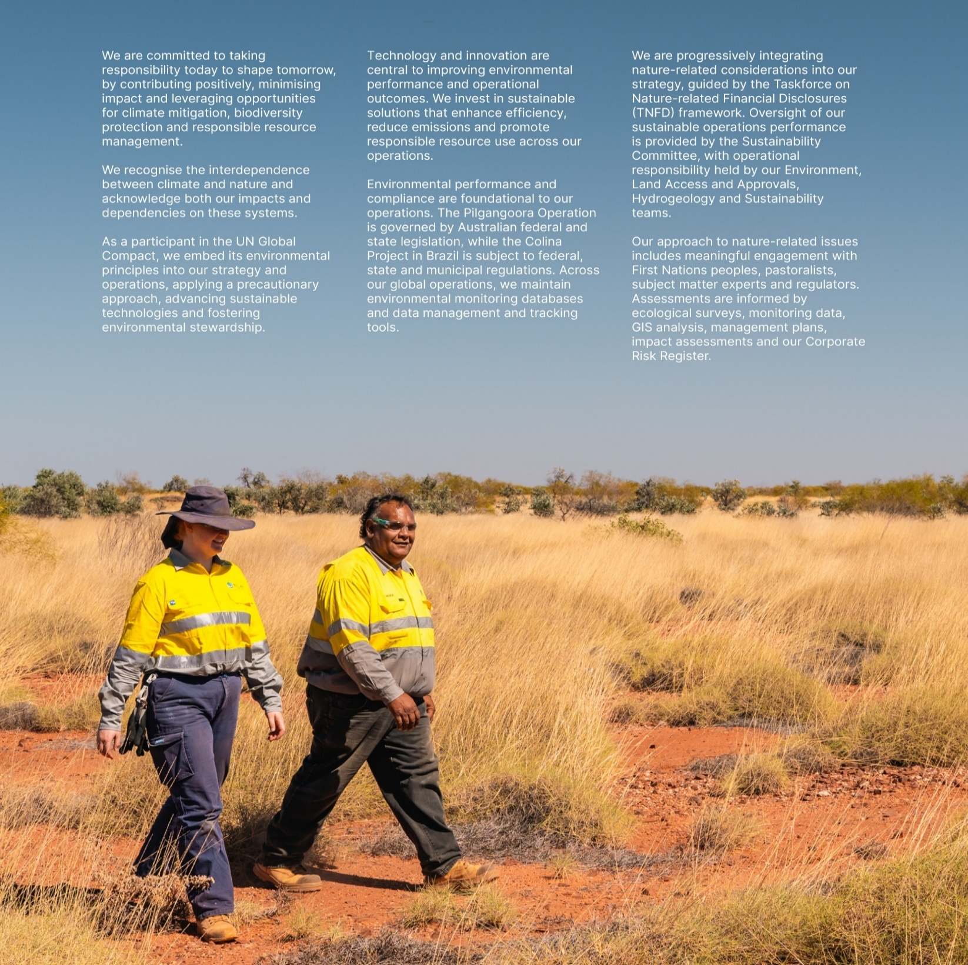
Sustainable operations
 | Covered in this section:

 | Material topics
 | Climate change, emissions reduction and resilience

 | Energy consumption
 | Greenhouse gas emissions
 | Global climate scenario summaries (Figure)
 | Climate risks and opportunities, across short, medium and long term time horizons

 | Biodiversity, ecosystems and land use

 | Environmental incidents
 | Biodiversity impacts management
 | Land disturbed in hectares
 | Environmental awareness training
 | IUCN Red List species and national conservation list species by operation

 | Water management

 | Water-related incidents
 | Water accounting
 | Water stress
 | Air quality

 | Non-greenhouse gas emissions
 | Waste and tailings management

 | Waste-related incidents
 | Waste generated
 | Waste diverted from disposal
 | Acid rock drainage
 | Tailings register

 | Technology and innovation
 | Refer to Annual Report page 82-83

Climate change and emissions
Climate change, emissions reduction and resilience
Contents
Biodiversity, ecosystems and land use
Valuing our people and communities
Water management
Sustainable
operations
Air quality
Responsible and
ethical actions
Waste and tailings management
Reporting standards
index
Tailing register
Definitions

Climate change, emissions reduction and resilience
Pursuing a resilient pathway to net zero, committed to powering a sustainable energy future.

Energy consumption (GJ) (GRI 302-1, SASB EM-MM-130a.1) |  |  | FY25 | FY24 | FY23 | FY22
Australia
Non-renewable energy
...
Greenhouse gas emissions1 (tCO2-e) (GRI 305-1 & 305-2, SASB EM-MM-110a.1) |  |  | FY25 | FY24 | FY23 | FY22
Scope 1 |  |  | 167,450 | 180,291 | 150,324 | 108,006
Scope 2 |  |  | 114 | 110 | 60 | 58
Total Scope 1 and 2 |  |  | 167,564 | 180,401 | 150,384 | 108,064
1 Reported FY25 GHG emissions, was subject to limited assurance by KPMG, refer to PLS Annual Report 2025 page 93-95 for further information.

Global climate scenario summaries (GRI 14.2.3)
Scenarios are not predictions, meaning that assessing a single scenario does not fully prepare the business for plausible futures. Time horizons assessed for each of the three climate scenarios: Recent Past (physical: average over 1995 to 2014); 2030 as the short term timeframe; 2040 as the medium term timeframe; and 2050 as the long term timeframe.

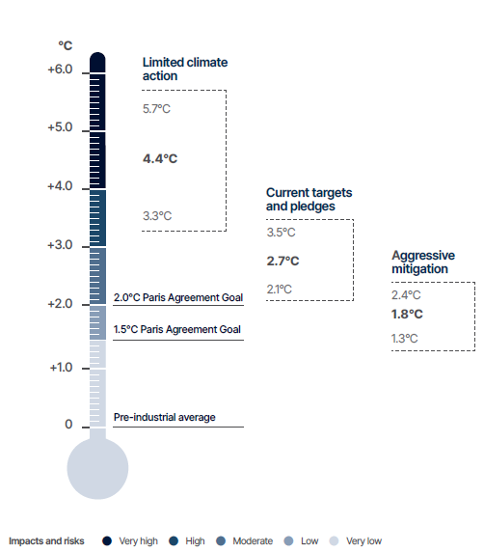
 |  | Limited climate action
 |  | (SSP5-8.5 | ~4.4°C [3.3–5.7°C]) characterised by continued reliance on fossil fuels and minimal policy intervention. This scenario projects severe and irreversible impacts on ecosystems, communities and economies due to high emissions and limited adaptation.

 |  | Current targets and pledges
 |  | (SSP2-4.5 | ~2.7°C [2.1–3.5°C]) reflects emissions trajectories based on existing national policies and announced commitments. While progress is made, these actions fall short of meeting Paris Agreement goals, representing a moderate transition scenario.

 |  | Aggressive mitigation
 |  | (SSP1-2.6 | ~1.8°C [1.3–2.4°C]) assumes strong global collaboration and rapid decarbonisation efforts, consistent with limiting warming to below 2°C by 2100 applied to physical risks. This scenario incorporated climate transition pathways aligned with a 1.5°C world, reflecting ambitious climate action and planning. The 1.8°C warming level was selected due to its more complete dataset for physical risk modelling, while still capturing the risks and opportunities consistent with a 1.5°C scenario with no material difference in risk assessment outcomes, strategic responses, or opportunity identification.

Climate risks and opportunities, across short, medium and long term time horizons
PLS acknowledges that the physical and transition risks present in climate change have the potential to impact both as a risk and opportunity, the medium and long-term success of our business. To identify climate-related risks and opportunities, we have considered the three global climate scenarios (limited climate action, current targets and pledges and aggressive mitigation) to ensure our approach remains applicable across multiple potential futures.

Risk Driver | Risk(s) |  | Scenario/ context
Physical
Weather patterns- rising temperature and drought | Water supply and quality risks from heat, drought, and infrastructure resilience |  | Increasing heat and prolonged droughts, combined with reduced groundwater yields, infrastructure reliability issues, and limited redundancy, pose risks to both safe drinking water and long-term operational water supply. These challenges may lead to worker health impacts, reduced operational productivity, water-intensive material restrictions, regulatory breaches, and legal or compliance issues.
Increasing risk of extreme rain, flooding, cyclones, storm surges | More frequent and intense cyclones accompanied by stronger storm surges |  | The increased intensity of cyclones and storm surges under future climate scenarios poses significant risks to infrastructure, operations, and safety at PLS operations, Port Hedland, and surrounding areas. These risks include damage to infrastructure, disruptions to supply chains, flooding events, and potential harm to local ecosystems.
Weather patterns-rising temperature and heat waves | Increase in daily temperature including frequency and duration of heatwaves |  | The annual temperature in the Pilbara is projected to increase gradually over time, reaching a maximum increase of 1.7°C by 2050 under Limited climate action, leading to increased frequency and intensity of heatwaves. This poses risks such as disruption of operations due to heat-related equipment failures, negative impacts on worker health, including a higher risk of heat stroke, and productivity, and increased maintenance requirements.
Transitional
Regulatory compliance | Failure to achieve facility-specific targets and accurate reporting |  | Pilgangoora Operation operates under a merged Safeguard facility with a hybrid emissions-intensity baseline that declines 4.9% annually. While total emissions may increase with expansion, intensity is expected to fall if the Power Strategy is fully implemented. Exceeding the baseline could result in financial penalties and reputational damage.
Changing consumer preferences | Growing demand for ESG credentials and raw material traceability |  | PLS is increasingly expected to comply with responsible sourcing standards, including participation in audits and adoption of supply chain due diligence policies, regardless of ore origin. These requirements may influence customer decisions, affecting sales and reputation. In parallel, market transition risks are rising due to shifting demand for sustainably sourced lithium, evolving emissions regulations, and embedded GHG costs from suppliers. These trends could lead to increased operational costs, reduced market share, and reputational impacts.
...

Biodiversity
Climate change, emissions reduction and resilience
Contents
Water management
Biodiversity, ecosystems and land use
Valuing our people and communities
Sustainable
operations
Air quality
Responsible and
ethical actions
Waste and tailings management
Reporting standards
index
Tailing register
Definitions

Biodiversity, ecosystems and land use
Enhancing, protecting and rehabilitating the biodiversity and ecological value of ecosystems wherever we operate.

Environmental incidents | FY25 | FY24 | FY23 | FY22
PLS Group
Number of major environmental incidents1 | 0 | 0 | 0 | 0
...

Water management
Climate change, emissions reduction and resilience
Contents
Water management
Biodiversity, ecosystems and land use
Valuing our people and communities
Sustainable
operations
Air quality
Responsible and
ethical actions
Waste and tailings management
Reporting standards
index
Tailing register
Definitions

Water management
Manage water resources in line with international best practices, while ensuring a sustainable supply and continuously enhance hydrogeological understanding, improve operational efficiency and maintain full regulatory compliance.

Water-related incidents (SASB EM-MM-140a.2) | FY25 | FY24 | FY23 | FY22
PLS Group
Number of major water-related incidents1 | 0 | 0 | 0 | 0
...

Air quality
Climate change, emissions reduction and resilience
Contents
Water management
Biodiversity, ecosystems and land use
Valuing our people and communities
Sustainable
operations
Air quality
Responsible and
ethical actions
Waste and tailings management
Reporting standards
index
Tailing register
Definitions

Air quality
Managing and mitigating impacts of air emissions, including dust through monitoring, control technologies and mining practices wherever we operate.

Non-greenhouse gas emissions (t) (GRI 305-7, SASB EM-MM-120a.1) | FY25 | FY24
Sulphur oxides (SOx) | 0.43 | 1.11
Nitrogen oxides (NOx) (excluding N2O) | 1,995.72 | 1,818.56
...

Waste and tailings management
Climate change, emissions reduction and resilience
Contents
Water management
Biodiversity, ecosystems and land use
Valuing our people and communities
Sustainable
operations
Air quality
Responsible and
ethical actions
Waste and tailings management
Reporting standards
index
Tailing register
Definitions

Waste and tailings management
Responsibly managing waste and hazardous materials, including management of tailings storage facilities.

Waste-related incidents (SASB EM-MM-150a.9, GRI 306-3, GRI 14.15.2) | FY25 | FY24 | FY23 | FY22
PLS Group
Number of significant incidents associated with hazardous materials and waste management1 | 0 | 0 | 0 | 0
...

Tailings register
Climate change, emissions reduction and resilience
Biodiversity, ecosystems and land use
Contents
Valuing our people and communities
Water management
Air quality
Sustainable
operations
Responsible and
ethical actions
Waste and tailings management
Tailing register
Reporting standards
index
Definitions

Tailings register
Responsibly managing waste and hazardous materials, including the safe management of tailings storage facilities.

PLS' operated facilities1 | Pilgan Tailings Storage Facility | Ngungaju Tailings Storage Facility
Tailings Dam Name/identifier | Pilgan Tailings Management Facility (TMF) - L9056/2017/1 | NLO Tailings Storage Facility (TSF)-L9036/2017/1
Location | Pilgangoora Operations, Western Australia | Pilgangoora Operations, Western Australia
...

Responsible actions
Business ethics and transparency
Contents
Economic performance and growth
Valuing our people and communities
Protecting human rights
Sustainable
operations
Responsible value chain
Responsible and
ethical actions
Materiality
Reporting standards
index
Definitions

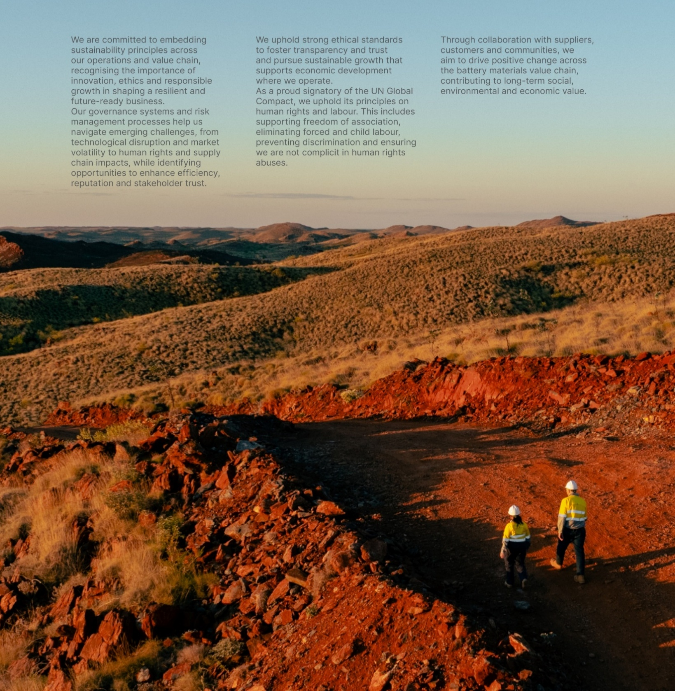
Responsible and ethical actions
 | Covered in this section:
 | Material topics
 | Business ethics and transparency

 | Significant non-compliances and fines with applicable laws and regulations

 | ASX Compliance
 | Business ethics and transparency
 | Labour practices
 | Key policy review
 | Economic performance and growth

 | Economic value generated and distributed
 | Tax contributions and payments to government
 | Protecting human rights

 | Employee training on human rights policies or procedures

 | Security, human rights & rights of Indigenous Peoples
 | Human Right Due Diligence Supplier Assessment
 | Responsible value chain

 | Our supply chain
 | Geographical location of key supplier spend (Figure)

 | Other topics
 | Materiality

Business ethics
Business ethics and transparency
Contents
Protecting human rights
Economic performance and growth
Valuing our people and communities
Sustainable
operations
Responsible value chain
Responsible and
ethical actions
Materiality
Reporting standards
index
Definitions

 |  |  |  | Yes
 |  |  |  | No
Business ethics and transparency
Operating honestly and ethically, committing to maintain and enhance corporate governance and complying with our licence to operate.

Significant non-compliances and fines with applicable laws and regulations (GRI 2-27) | FY25 | FY24 | FY23
PLS Group
Number of significant non-compliances1 | 0 | 0 | 0
...

Economic growth
Business ethics and transparency
Contents
Economic performance and growth
Valuing our people and communities
Protecting human rights
Sustainable
operations
Responsible value chain
Responsible and
ethical actions
Materiality
Reporting standards
index
Definitions

Economic performance and growth
Delivering responsible financial management and sustainable growth that creates long-term value while supporting economic development in our operating regions and contributing to global supply chain resilience.

Economic value generated and distributed1 (AUD) (GRI 201-1, GRI 415-1) | FY25 | FY244
PLS Group
Revenue | $768.9M | $1,254.0M
...

Protecting human rights
Business ethics and transparency
Contents
Economic performance and growth
Valuing our people and communities
Protecting human rights
Sustainable
operations
Responsible value chain
Responsible and
ethical actions
Materiality
Reporting standards
index
Definitions

Protecting human rights
Supporting and influencing positive change throughout our supply and value chains, respecting the human rights of our workforce and communities in which we operate.

Employee training on human rights policies or procedures1 (GRI 410-1) | FY25 | FY24 | FY23
Australia
Number of employees who undertook Modern slavery awareness training | 981 | 1,297 | 68
...

Value chain
Business ethics and transparency
Contents
Economic performance and growth
Valuing our people and communities
Protecting human rights
Sustainable
operations
Responsible value chain
Responsible and
ethical actions
Materiality
Reporting standards
index
Definitions

Responsible value chain
Collaborating with suppliers, customers and partners to embed environmental, social and governance standards throughout our value chain, promoting responsible sourcing practices and supporting the development of sustainable battery supply chains.

Our supply chain (AUD) (GRI 2-6) | FY25 | FY24 | FY23
PLS Group
Total spend on goods and services globally | $1.2B | $1.5B | $1.3B
Total number of suppliers | 1268 | 997 | 819
...

Materiality
Business ethics and transparency
Contents
Economic performance and growth
Valuing our people and communities
Protecting human rights
Sustainable
operations
Responsible value chain
Responsible and
ethical actions
Materiality
Reporting standards
index
Definitions

Materiality
Our materiality framework consists of three core sustainability pillars: Valuing our people and communities, Sustainable operations and Responsible and ethical actions. These pillars form the foundation of our sustainability strategy and operational integration. During FY25, we conducted a materiality assessment to align our sustainability focus with evolving stakeholder expectations and ESG standards. The process incorporated insights rom employee surveys and industry benchmarking, building on existing stakeholder engagement. The assessment refined several topics resulting in an integration of FY24’s material topic ‘Diversity, Equity, Inclusion and Wellbeing’ across ‘Employee Attraction, Development and Inclusive Culture’ and ‘Health, Safety and Wellbeing’. Additionally, ‘Climate Change and Emissions Reduction’ expanded to encompass climate resilience, emphasising long-term environmental adaptation alongside mitigation. ‘Economic Performance and Growth’ elevated in prioritisation, reflecting its fundamental role in sustainable value creation. The top five material topics for FY25 are consistent with FY24. In FY26, we will conduct a comprehensive materiality assessment process across Australia and Brazil.

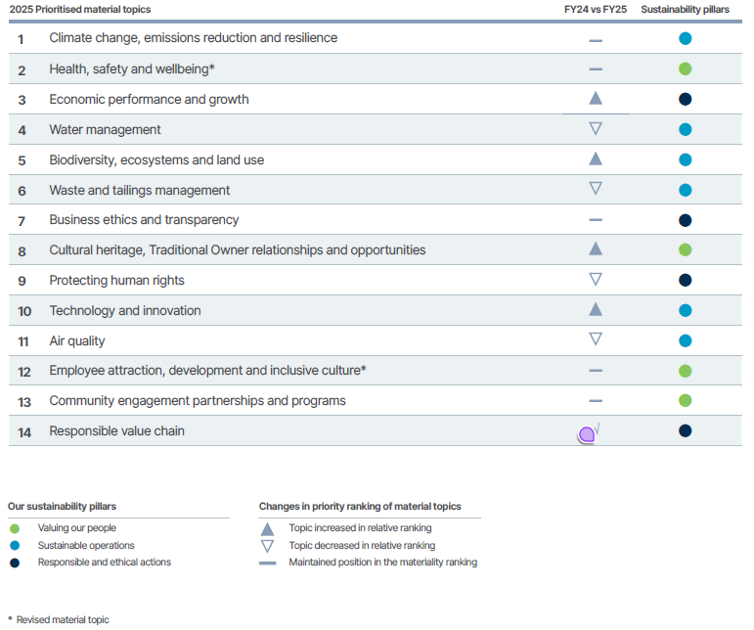
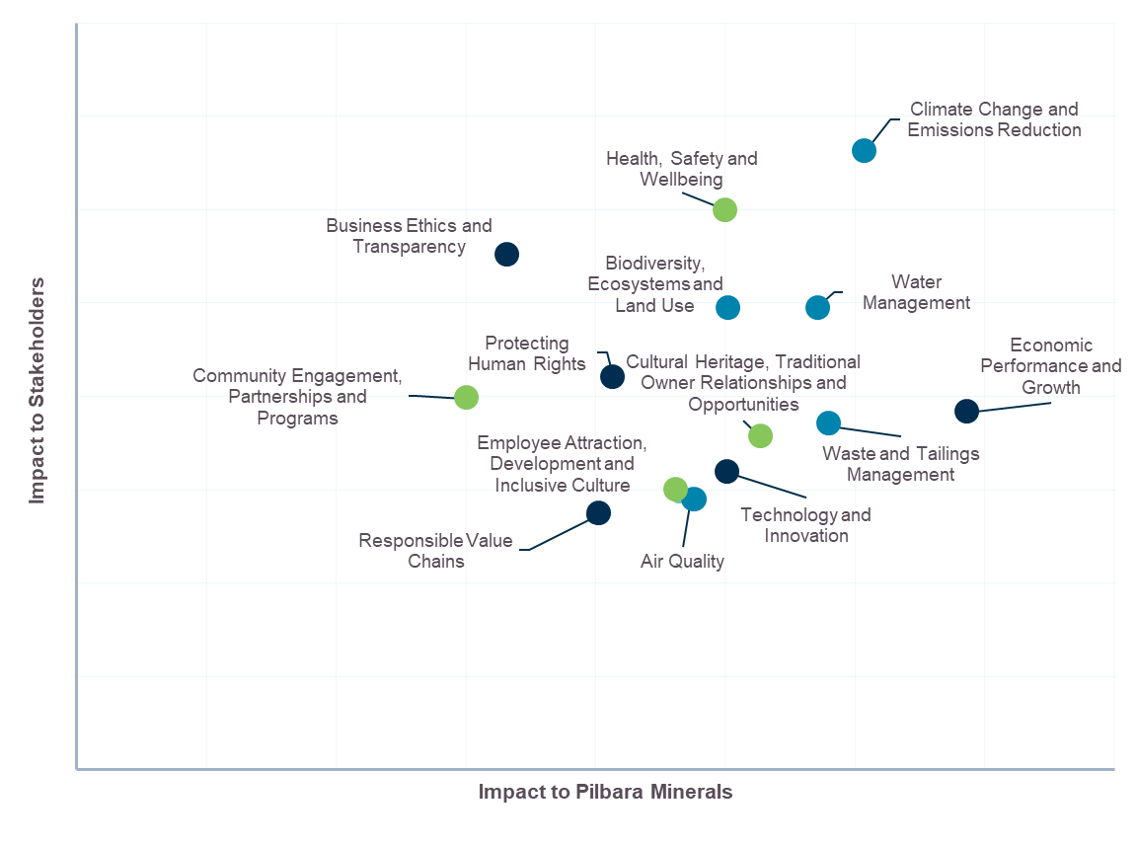

Integrate into above table?

Frameworks and standards
UN Global Compact Ten Principles
Contents
Sustainability Accounting Standards Board
Valuing our people and communities
UN Sustainable Development Goals
Sustainable
operations
Global Reporting Initiative
Responsible and
ethical actions
Taskforce for Nature Related Financial Disclosures
Reporting standards
index
Definitions

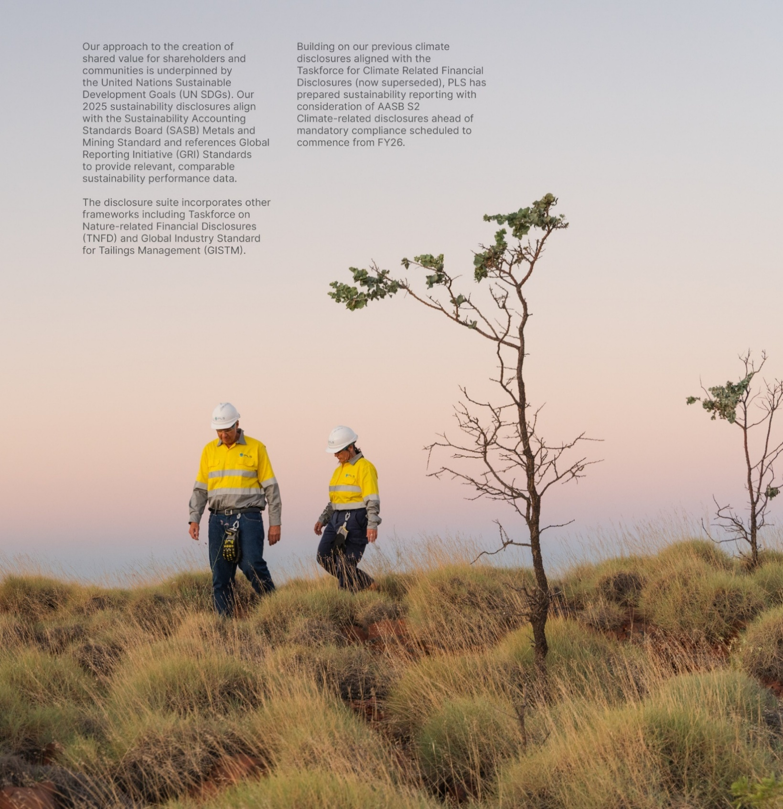
Reporting standards index
 | Covered in this section:
 | Reporting frameworks and standards
 | UN Global Compact Ten Principles
 | Sustainability Accounting Standards Board - Metals and Mining

 | UN Sustainable Development Goals
 | Global Reporting Initiative
 | Task Force on Nature-Related Financial Disclosures (TNFD)

 | Additional information:
 | ESG Ratings
 | We actively participate in external ESG benchmarking including:

 | S&P Global Dow Jones Sustainability Index (DJSI)
 | Morningstar Sustainalytics ESG Risk Ratings
 | ISS
 | MSCI ESG Ratings
 | As appropriate and in alignment with adopted frameworks and standards, PLS enhances its disclosures year-on-year to include relevant ESG criteria and performance indicators.

UN Global Compact
UN Global Compact Ten Principles
Contents
Sustainability Accounting Standards Board
Valuing our people and communities
UN Sustainable Development Goals
Sustainable
operations
Global Reporting Initiative
Responsible and
ethical actions
Taskforce for Nature Related Financial Disclosures
Reporting standards
index
Definitions

UN Global Compact Ten Principles

PLS is a participant of the UN Global Compact. The following demonstrates the Company's alignment to the Ten Principles.
For more information refer to the corporate governance section of our website: pls.com/policies and pls/reporting-disclosures
...

SASB Index
UN Global Compact Ten Principles
Contents
Sustainability Accounting Standards Board
Valuing our people and communities
UN Sustainable Development Goals
Sustainable
operations
Global Reporting Initiative
Responsible and
ethical actions
Taskforce for Nature Related Financial Disclosures
Reporting standards
index
Definitions

Sustainability Accounting Standard Board (SASB) Index - Metals & Mining

The following outlines our efforts to align with the IFRS Foundation's Sustainability Accounting Standards Board (SASB) Metals and Mining Sustainability Accounting Standard (version as at 2023).
For more information refer to the corporate governance section of our website: pls.com/policies and pls/reporting-disclosures
...

UN SDGs
UN Global Compact Ten Principles
UN Sustainable Development Goals
Sustainability Accounting Standards Board
Contents
Valuing our people and communities
Sustainable
operations
Global Reporting Initiative
Taskforce for Nature Related Financial Disclosures
Reporting standards
index
Responsible and
ethical actions
Definitions

United Nations Sustainable Development Goals (UN SDGs)

As a leading global lithium producer enabling the clean energy transition, PLS recognises our responsibility to contribute meaningfully to the United Nations Sustainable Development Goals (SDGs). Through our operations, partnerships and community engagement, we actively support progress across our material topics that align with 16 of the SDGs, understanding that achieving the SDGs requires collective action from businesses, governments and communities worldwide. This section outlines how our initiatives and performance contributes to SDG targets, demonstrating our commitment to creating shared value while producing the critical minerals essential for a sustainable future.
...

GRI Index
UN Global Compact Ten Principles
Contents
UN Sustainable Development Goals
Global Reporting Initiative
Sustainability Accounting Standards Board
Valuing our people and communities
Sustainable
operations
Responsible and
ethical actions
Taskforce for Nature Related Financial Disclosures
Reporting standards
index
Definitions

Global Reporting Initiative (GRI) Index

PLS has reported in accordance with the GRI content index for the period 1 July 2024 - 30 June 2025.
GRI used | GRI 1: Foundation 2021
...

TNFD Index
UN Global Compact Ten Principles
Contents
Sustainability Accounting Standards Board
Valuing our people and communities
UN Sustainable Development Goals
Sustainable
operations
Global Reporting Initiative
Responsible and
ethical actions
Taskforce for Nature Related Financial Disclosures
Reporting standards
index
Definitions

Taskforce on Nature-related Financial Disclosures Index
PLS is working towards increasing nature-related disclosures year-on-year, with reference to the TNFD's recommendations.
For more information refer to the corporate governance section of our website: pls.com/policies and pls/reporting-disclosures
...

Definitions
Contents
Valuing our people and communities
Reporting standards
index
Sustainable
operations
Responsible and
ethical actions
Definitions

Definitions

Metric | Units | Metric Definition
Aboriginal and Torres Strait Islander procurement spend | A$ millions | Payments to Aboriginal or Torres Strait Islander businesses, defined as those businesses that are at least 50% owned by an Aboriginal or Torres Strait Islander person.
Aboriginal or Torres Strait Islander employee | # team members | Number of self-identified Aboriginal or Torres Strait Islander team members who are permanent part-time or full time, or casual, and have worked in the company as at 30th of June of the reporting year.
Community contributions - direct | A$ millions | Cash contributions made directly to community organisations, supporting local development and social programmes, excluding indirect taxes such as GST.
...

